Sheet1

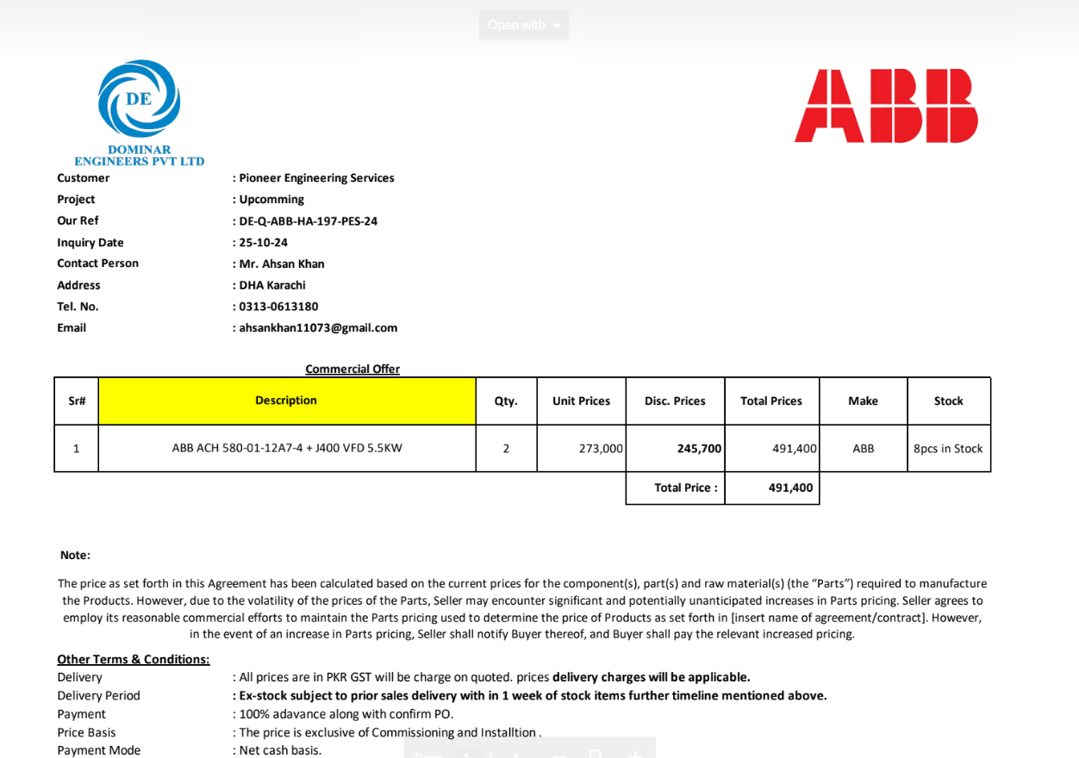

M/S Dominars Engineers Pvt Ltd |  |  |  |  | 28-Oct-24

PO # 124
Att: Mr. Hassan Ali

PURCHASE ORDER

Supply of VFDs for the project (Bank Al-Habib 12 Floor Center point Karachi)
S No. | D e s c r i p t i o n | Qty | Unit | Rate | Amount
 | Brand: ABB
1 | Supply of variable frequency drives 5.5 KW | 2 | Nos | 240,000 | 480,000
 |  | TOTAL: |  |  | 480,000

Note: Above PO is subject to approval from the consultant.

for PIONEER ENGINEERING SERVICES

